SC Definition & Diagrams
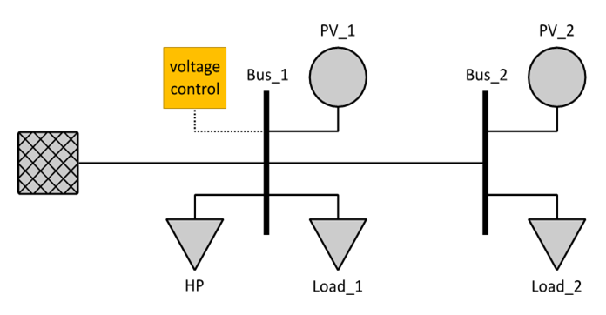
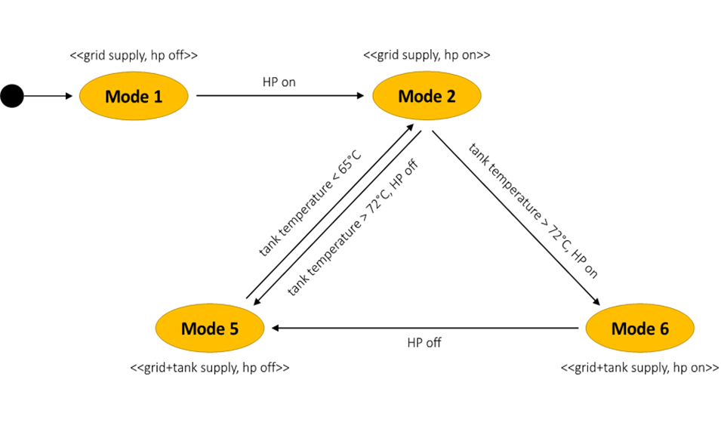
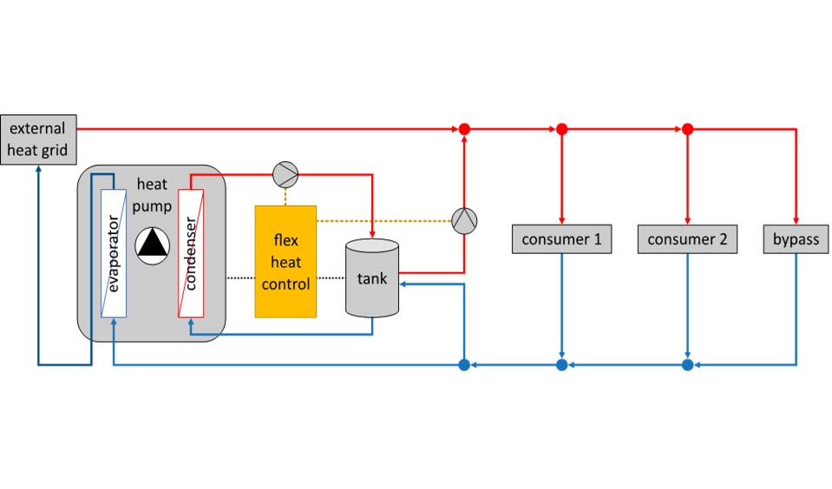
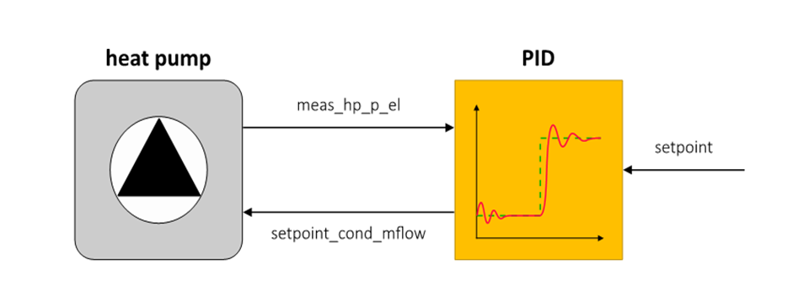
System Component List |  |  |  |  |  | System Illustrations
ID | Subs. # | Subsystem Name | Comp. # | Component Name | Description |  | System Breakdown Example | Function Examples
1.1 | 1 | System1 | 1 | Device1 | [Example]
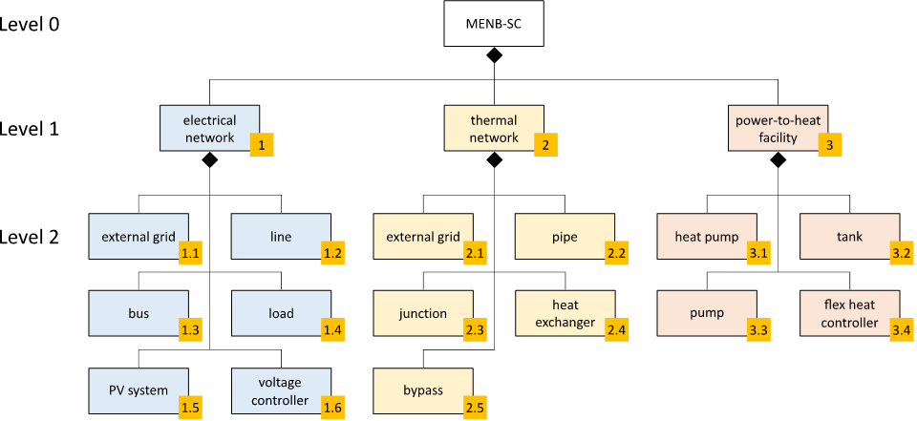
1.2 | 1 |  | 2

 |  |  |  |  |  |  | System Configuration Example
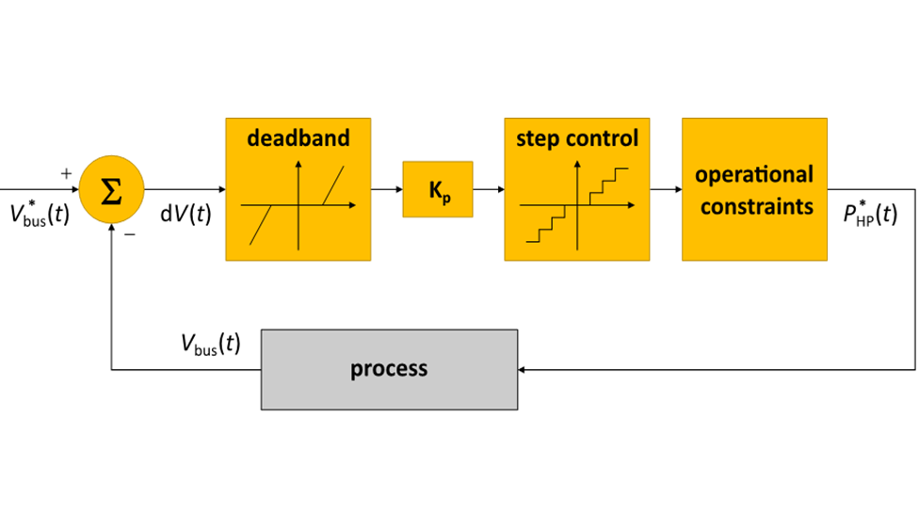
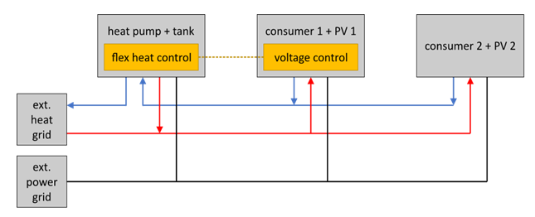

 |  |  |  |  |  |  | System Configuration Example (domain-specific)

